Cover
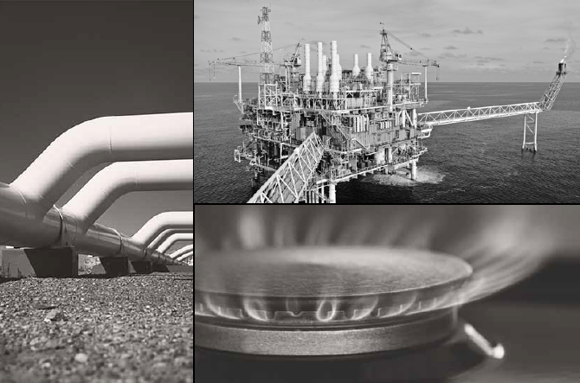
Core Energy Group

Eastern Australian Reserves and Resources | At 30 June 2014

Public Edition

Disclaimer

Disclaimer | Contents

This document has been prepared by Core Energy Group Pty Limited (“Core”) for the sole purpose of providing AEMO with access to strategic level research relating to gas reserves and resources in eastern and southern Australia.
This document does not purport to contain all the information that a particular party may require. The information contained in this document may not be appropriate for all persons and it is not possible for Core to have regard to the investment objectives, financial situation and particular needs of each party who reads or uses this document.
Core makes no representation or warranty as to the accuracy, reliability, completeness or suitability of the information contained within this document. Core, its employees, agents and consultants accept no liability (including liability to any person by reason of negligence or negligent misstatement) for any statements, opinions, information or matter (expressed or implied) arising out of the information contained within this document, except in so far as liability under statute cannot be excluded.
© Core Energy Group – All material in this document is subject to copyright under the Copyright Act 1968 (Commonwealth) and international law and permission to use the information must be obtained in advance and in writing from Core.

Introduction
Introduction
Eastern Australian Reserves and Resources - Databook
In conjunction with the Terms of Reference, Core has provided this Eastern Australian Reserves and Resources databook. For an explanation of the approach used and subsequent analysis, refer to the corresponding report .

Summary
Reserves and Resources |  |  |  |  |  |  |  |  |  | Contents | Disclaimer

 | Eastern Australian Reserves and Resources at 30 June 2014

 |  | Resource Type | 2P Reserves | 3P Reserves | 2C Resources | Propsective Resources |  | Total Reserves and Resources. | 3P/2C Resources
 |  | Conventional | 6398 | 6839 | 5669 | 25473 |  | 37981 | 12508
 |  | CSG | 46130 | 57170 | 50301 | 142323 |  | 249795 | 107472
 |  | Unconventional | 4.868 | 11.359 | 7402.341 | 209926.947 |  | 217341 | 7414
 |  | Total | 52533 | 64021 | 63373 | 377723 |  | 505116 | 127394

 |  | Resource Type | 2P Reserves | 3P Reserves | 2C Resources | Propsective Resources |  | Total Reserves and Resources. | 3P/2C Resources
 |  | Conventional
 |  | Adavale | 22 | 22 | 0 | 0 |  | 22 | 22
 |  | Bass | 221 | 221 | 291 | 0 |  | 512 | 512
 |  | Cooper and Eromanga | 1793 | 2027 | 2828 | 3571 |  | 8426 | 4855
 |  | Denison | 18 | 88 | 0 | 0 |  | 88 | 88
 |  | Gippsland | 3528 | 3574 | 2102 | 7910 |  | 13585 | 5676
 |  | Otway | 719 | 719 | 329 | 0 |  | 1048 | 1048
 |  | Surat and Bowen | 97 | 189 | 120 | 0 |  | 309 | 309
 |  | Sydney | 0 | 0 | 0 | 13992 |  | 13992 | 0
 |  | Subtotal Conventional | 6398 | 6839 | 5669 | 25473 |  | 37981 | 12508
 |  | CSG
 |  | Clarence Moreton | 17 | 380 | 11987 | 3816 |  | 16183 | 12367
 |  | Cooper and Eromanga | 0 | 0 | 0 | 38852 |  | 38852 | 0
 |  | Denison | 63 | 354 | 94 | 0 |  | 448 | 448
 |  | Galilee | 0 | 0 | 313 | 4413 |  | 4726 | 313
 |  | Gloucester | 527 | 649 | 0 | 0 |  | 649 | 649
 |  | Gunnedah | 799 | 0 | 0 | 48684 |  | 48684 | 0
 |  | Surat and Bowen | 44622 | 55532 | 35970 | 27155 |  | 118657 | 91502
 |  | Sydney | 103 | 255 | 1938 | 19403 |  | 21596 | 2193
 |  | Subtotal CSG | 46130 | 57170 | 50301 | 142323 |  | 249795 | 107472
 |  | Unconventional
 |  | Cooper and Eromanga | 5 | 11 | 6640 | 162910 |  | 169562 | 6652
 |  | Gippsland | 0 | 0 | 762 | 0 |  | 762 | 762
 |  | Otway | 0 | 0 | 0 | 11 |  | 11 | 0
 |  | Maryborough | 0 | 0 | 0 | 20140 |  | 20140 | 0
 |  | ATP 855 | 0 | 0 | 0 | 26866 |  | 26866 | 0
 |  | Subtotal Unconventional | 5 | 11.359 | 7402.341 | 209926.947 |  | 217341 | 7414
 |  | Total | 52533 | 64021 | 63373 | 377723 |  | 505116 | 127394

 |  | Eastern & Southern 2P Reserves by Gas Source | PJ |  |  |  |  | Eastern & Southern 3P/2C Resources by Gas Source | PJ

0.001%

 |  | 2P Reserves by Basin | PJ |  |  |  |  | 3P/2C Resourcess by Basin | PJ

 |  | 30 June 2014 Summary

 |  | Basin | 2P Reserves | 3P/2C Reserves and Resources | Prospective Resources | Total Reserves and Resources
 |  | Conventional | 6398 | 12508 | 25473 | 37981
 |  | CSG | 46130 | 107472 | 142323 | 249795
 |  | Unconventional | 5 | 7414 | 209927 | 217341
 |  | TOTAL | 52533 | 127394 | 377723 | 505116

 |  | 31 December 2012 Summary

 |  | Basin | 2P Reserves | 3P/2C Reserves and Resources | Prospective Resources | Total Reserves and Resources
 |  | Conventional | 7093 | 12377 | 21902 | 34279
 |  | CSG | 46131 | 114126 | 142323 | 256449
 |  | Unconventional | 5 | 5712 | 178915 | 184627
 |  | TOTAL | 53229 | 132215 | 343140 | 475355

 |  | Difference

 |  | Basin | 2P Reserves | 3P/2C Reserves and Resources | Prospective Resources | Total Reserves and Resources
 |  | Conventional | -694 | 131 | 3571 | 3702
 |  | CSG | -1 | -6654 | 0 | -6654
 |  | Unconventional | 0 | 1702 | 31012 | 32713
 |  | TOTAL | -695 | -4822 | 34583 | 29761

 |  | Condensed Tables for chart purposes only

 |  | Resource Type | 2P Reserves
 |  | Adavale | 22
 |  | Bass | 221
 |  | Cooper and Eromanga | 1798
 |  | Denison | 81
 |  | Gippsland | 3528
 |  | Otway | 719
 |  | Surat and Bowen | 44719
 |  | Sydney | 103
 |  | Clarence Moreton | 17
 |  | Gloucester | 527
 |  | Gunnedah | 799
 |  | Galilee | 0
 |  | Total | 52533

 |  | Resource Type | 3P/2C Resources
 |  | Adavale | 22
 |  | Bass | 512
 |  | Cooper and Eromanga | 11506
 |  | Denison | 536
 |  | Gippsland | 5676
 |  | Otway | 1810
 |  | Surat Bowen | 91811
 |  | Sydney | 2193
 |  | Clarence Moreton | 12367
 |  | Gloucester | 649
 |  | Galilee | 313
 |  | Total | 127394

