Victoria Summary
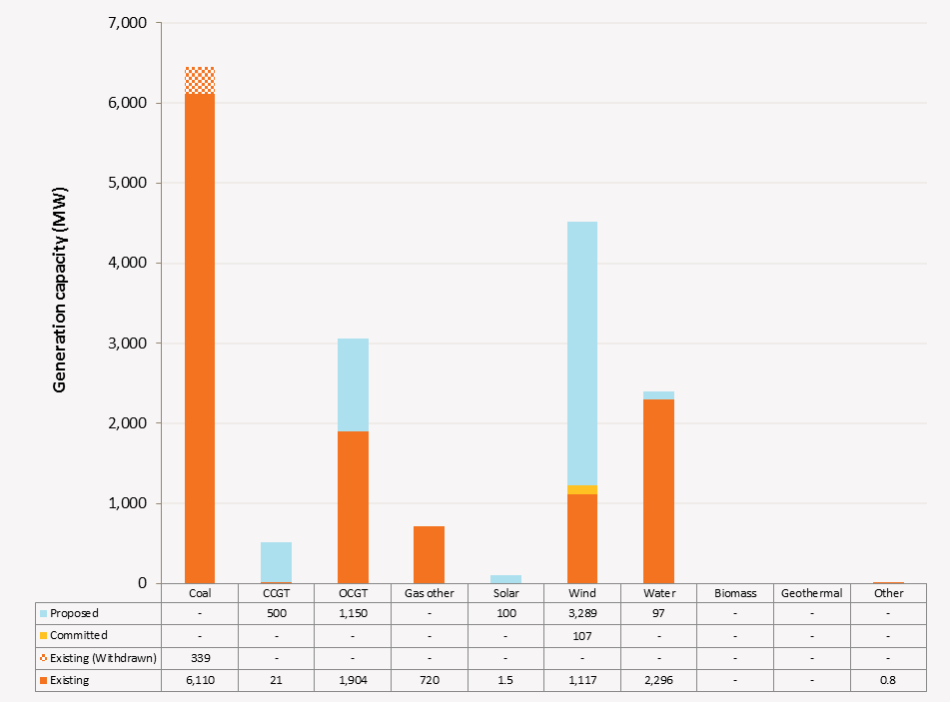
Disclaimer
This document is subject to an important disclaimer that limits or excludes AEMO's liability.
Please read the full disclaimer on the 'Disclaimer' tab of this workbook.

Victoria Summary

Committed project developments
Bald Hills Wind Farm (Phase 1): Mitsui and Co. Australia Ltd advises that Bald Hills wind farm (106.6 MW) is a committed project. The wind farm is under construction with expected full commercial operation in May 2015.
Portland Stage 4 Cape Nelson North and Cape Sir William Grant: Pacific Hydro Portland Wind Farm Pty Ltd advises that Portland Stage 4 Cape Nelson North and Cape Sir William Grant wind farm is a committed project. The 47.15 MW wind farm expected commissioning is May 2015.

Plant retirements
Anglesea Power Station: Alcoa of Australia Limited advises Anglesea Power Station will retire from service from 31 August 2015 and to be decommissioned.

Changes since the 2014 ESOO (existing generation)
Loy Yang A: AGL Energy advises Loy Yang A Power Station has revised its available capacity to 2100 MW (-90 MW) in summer due to operational experience in ambient conditions.
Macarthur: AGL Energy advises Macarthur Power Station has revised its available capacity to 315 MW (-105 MW) in summer to reflect the actual behaviour of the wind generation assets during high temperature days.
Morwell/Energy Brix: Energy Brix Australia Corporation Pty Ltd advises Morwell/Energy Brix Power Station has been withdrawn from service since August 2014.
Mt Mercer Wind Farm: Mt Mercer Wind Farm Pty Ltd advises that Mt Mercer wind farm (131.2 MW) project is completed and in full commercial operation since mid 2014.
Portland Stage 4 Cape Nelson North and Cape Sir William Grant: Pacific Hydro Portland Wind Farm Pty Ltd advises that Portland Stage 4 (47.15 MW) project is completed and in full commercial operation since end of Feb 2015.

Plant limitations
Laverton North Power Station: Snowy Hydro advises that Laverton North will be limited to 170 MW during winter 2017 due to rescheduled maintenance.
Murray 1 Power Station: Snowy Hydro advises that Murray 1 will undergo the following limitations:
· 855 MW during winter 2016 due to an outage of Unit 3
· 855 MW during winter 2017 due to an outage of Unit 8
· 855 MW during winter 2018 due to an outage of Unit 9
· 855 MW during winter 2019 due to an outage of Unit 5
· 855 MW during winter 2020 due to an outage of Unit 6
· 855 MW during winter 2021 due to an outage of Unit 4
· 855 MW during winter 2022 due to an outage of Unit 10.

Victoria existing and potential new developments by generation type (MW) data
Status / Type | Coal | CCGT | OCGT | Gas other | Solar | Wind | Water | Biomass | Geo-thermal | Other
Existing | 6,110 | 21 | 1,904 | 720 | 1.5 | 1,117 | 2,296 | 0 | 0 | 0.8
Committed | 0 | 0 | 0 | 0 | 0 | 107 | 0 | 0 | 0 | 0
Publicly announced | 0 | 500 | 1,150 | 0 | 100 | 3,289 | 97 | 0 | 0 | 0
Withdrawn | 339 | 0 | 0 | 0 | 0 | 0 | 0 | 0 | 0 | 0

Victoria existing and potential new developments by generation type (MW)

