South Australia Summary
Disclaimer
This document is subject to an important disclaimer that limits or excludes AEMO's liability.
Please read the full disclaimer at
http://www.aemo.com.au/Electricity/National-Electricity-Market-NEM/Planning-and-forecasting/Generation-information

Data presented is current as at 16 March 2018

South Australia Summary

Changes since last update
Dalrymple Battery storage: Dalrymple Battery storage (30 MW) is now reported as a committed project since ElectraNet advises that it has commenced construction.
Barker Inlet Power Station: Barker Inlet (210 MW) is now reported as a committed project since AGL advises that it has commenced construction.
Torrens Island A Power Station: AGL Energy advises that the four units of Torrens Island A Power Station (480 MW) will be progressively mothballed between 2019 and 2021. Two units (240 MW) will be mothballed after winter 2019, one unit (120 MW) after winter 2020 and the final unit (120 MW) after winter 2021.

Generation withdrawals
Withdrawn
AEMO has not been advised of any plant that are currently withdrawn from this region.

Announced withdrawals (i.e. Mothballed, Seasonal Shut down etc.)
Gas other: Torrens Island A Power Station (480 MW) will be progressively mothballed between 2019 and 2021. Two units (240 MW) will be mothballed after winter 2019, one unit (120 MW) after winter 2020 and the final unit (120 MW) after winter 2021.

Committed projects
Coal, CCGT, OCGT, Gas other, Water, Biomass, Geo-thermal, Other : None to report.
Gas other: Barker Inlet Power Station (210 MW)
Solar: Bungala Solar Power Project (220 MW)
Wind: Lincoln Gap Wind Farm Stage 1 (126 MW), Willogoleche Wind Farm (119 MW)
Storage: Dalrymple Battery Storage (30 MW)

Proposed projects
Please refer to information presented in the worksheet titled 'New Developments'.

Plant limitations
AEMO has not been advised of any plant limitations for this region.

South Australia existing and potential new developments by generation type (MW)
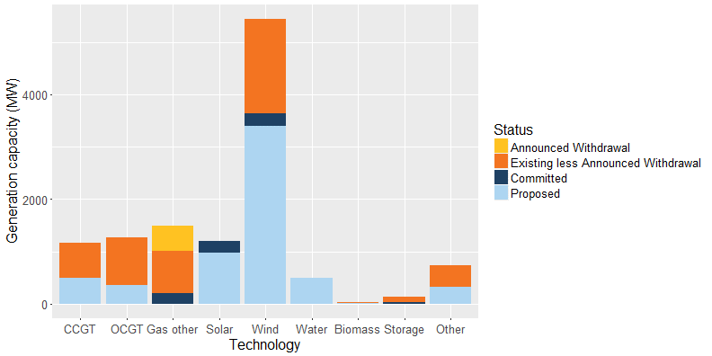

Status | Coal | CCGT | OCGT | Gas other | Solar | Wind | Water | Biomass | Storage | Other | Total
Existing | - | 658 | 915 | 1,280 | 5 | 1,806 | 3 | 18 | 100 | 409** | 5,193
Announced Withdrawal | - | - | - | 480 | - | - | - | - | - | - | 480
Existing less Announced Withdrawal | - | 658 | 915 | 800 | 5 | 1,806 | 3 | 18 | 100 | 409** | 4,713
Committed | - | - | 4 | 210 | 220 | 245 | - | - | 30 | - | 709
Proposed | - | 500 | 350 | - | 979 | 3,394 | 500 | 15 | - | 319 | 6,056
Withdrawn | - | - | - | - | - | - | - | - | - | - | -
Note: Existing includes Announced Withdrawal
* Excludes rooftop PV installations
** Includes SA Diesel Generation (277 MW)

