New South Wales Summary
Disclaimer
This document is subject to an important disclaimer that limits or excludes AEMO's liability.
Please read the full disclaimer at:
http://www.aemo.com.au/Electricity/National-Electricity-Market-NEM/Planning-and-forecasting/Generation-information

Data presented is current as at 16 March 2018

New South Wales Summary

Changes since last update
None to report.

Generation withdrawals
Withdrawn
None to report.

Announced withdrawals (i.e. Mothballed, Seasonal Shut down etc.)
Liddell Power Station: AGL Energy Limited advises that Liddell C Power Station (2000 MW) is to shut down in 2022.

Committed projects
Coal: Bayswater (25 MW) increase each Winter from 2019 to 2022.
CCGT, OCGT, Gas other, Water, Biomass, Geo-thermal, Other : None to report.
Solar: Griffith Solar Farm (29.9 MW), Gullen Range Solar Farm (10 MW), Manildra Photovoltaic Solar Farm (50 MW), Parkes Solar Farm (55 MW), White Rock Solar Farm (20 MW)
Wind: Bodangora Wind Farm (113 MW), Crookwell 2 Wind Farm (91 MW), Sapphire Wind Farm Phase 1 and 2 (270 MW), Silverton Wind Farm (198.94 MW).
Diesel: Hunter Economic Zone (28.8 MW).

Proposed projects
Please refer to information presented in the worksheet titled 'New Developments'.

Plant limitations
AEMO has not been advised of any plant limitations for this region.

New South Wales existing and potential new developments by generation type (MW)
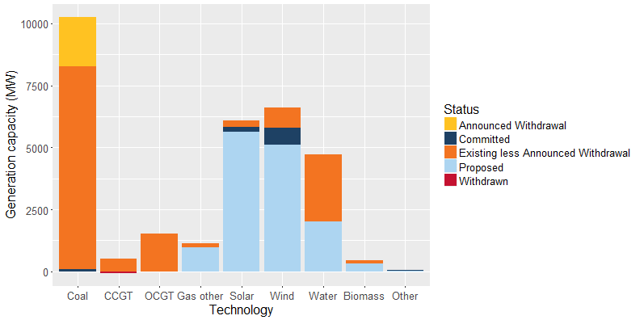

Status | Coal | CCGT | OCGT | Gas other | Solar* | Wind | Water | Biomass | Other | Total
Existing | 10,160 | 529 | 1,530 | 147 | 267 | 840 | 2,706 | 131 | 9 | 16,319
Announced Withdrawal | 2,000 | - | - | - | - | - | - | - | - | 2,000
Existing less Announced Withdrawal | 8,160 | 529 | 1,530 | 147 | 267 | 840 | 2,706 | 131 | 9 | 14,319
Committed | 100 | - | - | - | 170 | 673 | - | - | 29 | 972
Proposed | - | - | - | 975 | 5,642 | 5,107 | 2,000 | 317 | 16 | 14,057
Withdrawn | - | -62** | - | - | - | - | - | - | - | -62
Note: Existing includes Announced Withdrawal
* Excludes rooftop PV installations
**Visy Power Generation advises that Smithfield Energy Facility, which closed in July 2017, has been brought back into service with up to 109 MW of capacity available, with a further 62 MW available on recall with lead time to be determined.

