New South Wales Summary
Disclaimer
This document is subject to an important disclaimer that limits or excludes AEMO's liability.
Please read the full disclaimer at:
http://www.aemo.com.au/Electricity/National-Electricity-Market-NEM/Planning-and-forecasting/Generation-information

Data presented is current as at 22 December 2017

New South Wales Summary

Changes since last update
Smithfield Energy Facility: Visy Power Generation advises that Smithfield Energy Facility, which closed in July 2017, has been brought back into service with up to 109 MW of capacity available, with a further 62 MW available on recall with lead time to be determined.
Bodangora Wind Farm: Bodangora Wind Farm (113 MW) is now reported as committed since Infigen Energy has advised construction has commenced.
Silverton Wind Farm: PARF Company Pty Ltd as trustee for the Silverton Project Trust advises that Silverton Wind Farm (198.94 MW) is now a committed project.
White Rock Solar Farm: White Rock Solar Farm (20 MW) is now reported as committed since White Rock Wind Farm Pty Ltd has advised construction has commenced.
Sapphire Wind Farm Phase 1 and 2: Sapphire Wind Farm Pty Ltd advises that Sapphire Wind Farm Phase 1 and 2 (270 MW) is now committed.
Hunter Economic Zone Diesel: Hunter Economic Zone Diesels (28.8 MW) is now reported at committed as Snowy Hydro Ltd advises construction has commenced.
Crookwell 2 Wind Farm: Crookwell 2 Wind Farm (91 MW) is reported as committed as Crookwell Development Pty Ltd has advised construction has commenced.
Bayswater: AGL has advised Bayswater Power Station will increase capacity by 25 MW each Winter from 2019 to 2022

Generation withdrawals
Withdrawn
None to report.

Announced withdrawals (i.e. Mothballed, Seasonal Shut down etc.)
Liddell Power Station: AGL Energy Limited advises that Liddell C Power Station (2000 MW) is to shut down in 2022.

Committed projects
Coal, CCGT, OCGT, Gas other, Water, Biomass, Geo-thermal, Other : None to report.
Solar: Griffith Solar Farm (29.9 MW), Gullen Range Solar Farm (10 MW), Manildra Photovoltaic Solar Farm (50 MW), Parkes Solar Farm (55 MW), White Rock Solar Farm (20 MW)
Wind: Bodangora Wind Farm (113 MW), Crookwell 2 Wind Farm (91 MW), Sapphire Wind Farm Phase 1 and 2 (270 MW), Silverton Wind Farm (198.94 MW).
Diesel: Hunter Economic Zone (28.8 MW).

Proposed projects
Please refer to information presented in the worksheet titled 'New Developments'.

Plant limitations
AEMO has not been advised of any plant limitations for this region.

New South Wales existing and potential new developments by generation type (MW)
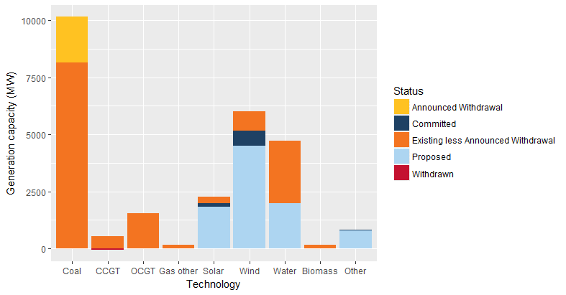

Status | Coal | CCGT | OCGT | Gas other | Solar* | Wind | Water | Biomass | Other | Total
Existing | 10,160 | 529 | 1,530 | 147 | 267 | 840 | 2,706 | 131 | 9 | 16,319
Announced Withdrawal | 2,000 | - | - | - | - | - | - | - | - | 2,000
Existing less Announced Withdrawal | 8,160 | 529 | 1,530 | 147 | 267 | 840 | 2,706 | 131 | 9 | 14,319
Committed | - | - | - | - | 165 | 673 | - | 7 | 29 | 874
Proposed | - | - | - | - | 1,819 | 4,492 | 2,000 | 10 | 777 | 9,098
Withdrawn | - | 62** | - | - | - | - | - | - | - | -62
Note: Existing includes Announced Withdrawal
* Excludes rooftop PV installations
**Visy Power Generation advises that Smithfield Energy Facility, which closed in July 2017, has been brought back into service with up to 109 MW of capacity available, with a further 62 MW available on recall with lead time to be determined.

