South Australia Summary
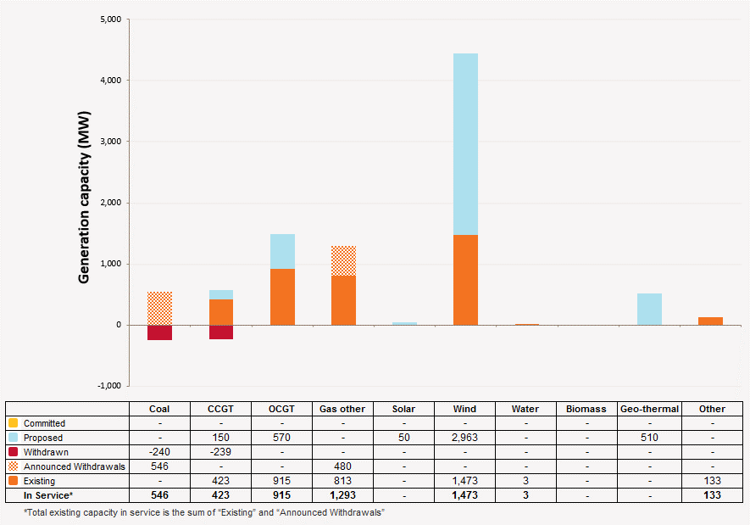
Disclaimer
This document is subject to an important disclaimer that limits or excludes AEMO's liability.
Please read the full disclaimer on the 'Disclaimer' tab of this workbook.

South Australia Summary

Committed project developments
AEMO has not been advised of any Committed within the 10-year planning outlook.

Plant retirements
Northern Power Station: Alinta Energy advised in June 2015 that Northern Power Station (546 MW) would retire by March 2018 at the latest, but not before March 2016. In late July, Alinta Energy advised that Northern Power Station will retire by March 2017.
Playford B Power Station: Alinta energy advises that Playford B Power Station (240 MW) will retire by April 2017.

Changes since the 2014 ESOO (existing generation)
Snowtown S2: TrustPower advises that the Snowtown 2 wind farm (270 MW) project is now completed and in full commercial operation since November 2014.

Plant limitations
AEMO has not been advised of any plant limitations in South Australia for the 10-year planning outlook.

Dry storage
Playford B Power Station: Alinta energy advises that Playford B Power Station (240 MW) will be available with a recall time of around 90 days until April 2017.
Pelican Point Power Station: Pelican Point Power Limited advised that Pelican Point Power Station is to reduce the station capacity to half from 1 April 2015 with unit 2 (239 MW) only being available on a 48 hour recall
Torrens Island Power Station A: AGL Energy advises that Torrens Island Power Station A (480 MW) is to be taken out of service in 2017.

South Australia existing and potential new developments by generation type (MW) data
Status / Type | Coal | CCGT | OCGT | Gas other | Solar | Wind | Water | Bio-mass | Geo-thermal | Other
Existing | 786 | 662 | 915 | 1,293 | - | 1,473 | 2.5 | - | - | 133
Committed | - | - | - | - | - | - | - | - | - | -
Publicly announced | - | 150 | 570 | - | 50 | 2,963 | - | - | 510 | -
Withdrawn | 240 | 239 | - | - | - | - | - | - | - | -
Announced Withdrawals | 546 | - | - | 480 | - | - | - | - | - | -
Existing capacity includes Withdrawn and Announced Withdrawals

South Australia existing and potential new developments by generation type (MW)

