New South Wales Summary
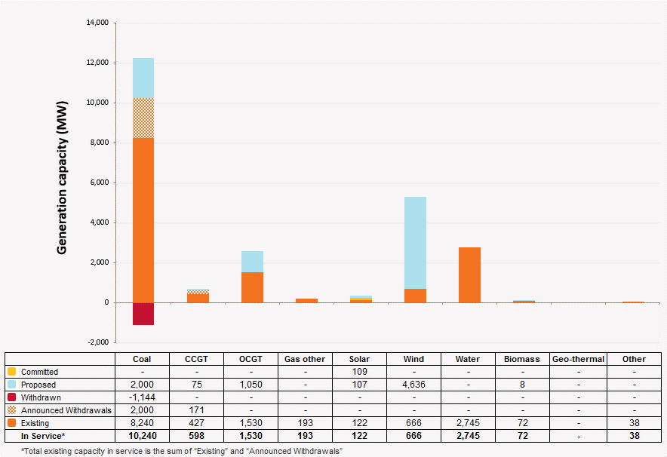
Disclaimer
This document is subject to an important disclaimer that limits or excludes AEMO's liability.
Please read the full disclaimer on the 'Disclaimer' tab of this workbook.

New South Wales Summary

Committed project developments
Broken Hill Solar Plant: AGL PV Solar Development Pty Limited advises that Broken Hill Solar Plant (53 MW) is a committed project. Construction of the 53 MW at the site is to commence in July 2014 and commissioning is planned for August 2015.
Moree Solar Farm: Moree Solar Farm advises that Moree Solar Farm (56 MW) is under construction since November 2014 and full commercial operation is planned for the end of March 2016.

Plant retirements
Wallerawang C Power Station: EnergyAustralia advises that Wallerawang C Power Station (1000 MW black coal) has permanently closed in November 2014.
SmithField Energy Facility: Smithfield Power Partnership advises that SmithField Energy Facility 170.9 MW) is to retire in 2017.
Liddell Power Station: AGL Energy Limited advises that Liddell C Power Station (2000 MW) is to shut down in 2022.

Changes since the 2014 ESOO (existing generation)
Bayswater Power Station: Macquarie Generation advises that the Bayswater Power Station available capacity has been revised from 2,720 MW to 2,700 MW (-20 MW) in summer and winter due to a reassessment of plant capacity.
Redbank Power Station: Redbank Energy Ltd advises that Redbank Power Station (143.8 MW black coal) has been removed from service from August 2014 due to shut down.
Gullen Range Wind Farm: Gullen Range Wind Farm Pty Ltd advises that Gullen Range Wind Farm (165.5 MW) project has been completed and in full commercial operation since November 2014.
Wilga Park Power Station B: Santos advises the Wilga Park Power Station B (6 MW) project has been completed and in full commercial operation since January 2015.
Boco Rock Wind Farm: Boco Rock Wind Farm Pty Ltd advises that Boco Rock Wind Farm (113 MW) has been completed and in full commercial operation since March 2015.
Royalla Solar Farm: Royalla Asset Pty Ltd ATF Royalla Asset Trust advises that Royalla Solar Farm (20 MW) has been completed and in full commercial operation since February 2015.
Taralga Wind Farm: CBD Energy/Banco Santander advises that Taralga Wind Farm (106.7 MW) has been completed and in full commercial operation since May 2015.
Nyngan Solar Plant: AGL Engergy Limited advises the Nyngan Solar Plant (102 MW) has been completed and in full commercial operation since July 2015.

Plant limitations
AEMO has not been advised of any plant limitations for this region

New South Wales existing and potential new developments by generation type (MW) data
Status / Type | Coal | CCGT | OCGT | Gas other | Solar | Wind | Water | Biomass | Geo-thermal | Other
Existing | 11,384 | 598 | 1,530 | 193 | 122 | 666 | 2,745 | 72 | - | 38
Committed | - | - | - | - | 109 | - | - | - | - | -
Publicly announced | 2,000 | 75 | 1,050 | - | 107 | 4,636 | - | 8 | - | -
Withdrawn | 1,144 | - | - | - | - | - | - | - | - | -
Announced Withdrawals | 2,000 | 171 | - | - | - | - | - | - | - | -
Existing capacity includes Withdrawn and Announced Withdrawals

New South Wales existing and potential new developments by generation type (MW)

