Roadmap
Australian Energy Market Operator
NEM Reform Implementation Roadmap
Version 4

 | Link to Legend & Assumptions |  |  |  | Expand group for 2020 - 2023 roadmap info, codes, updates and callouts

 | Impacted Sector | Reform Status | Initiative | 2024 |  |  |  |  |  |  |  |  |  |  |  | 2025 |  |  |  |  |  |  |  |  | 2026 |  |  |  |  |  |  |  |  | 2027 |  |  |  |  |  | 2028 |  |  |  | 2029 |  |  |  | 2030
 |  |  |  | Q1 |  |  | Q2 |  |  | Q3 |  |  | Q4 |  |  | Q1 | Q2 |  |  | Q3 |  |  | Q4 |  | Q1 |  | Q2 |  | Q3 |  | Q4 |  |  | Q1 | Q2 | Q3 | Q4 |  |  | Q1 | Q2 | Q3 | Q4 | Q1 | Q2 | Q3 | Q4 | Q1 | Q2 | Q3 | Q4
 | NATIONAL ELECTRICITY MARKET REFORM PROGRAM

 | R | Committed | Energy Consumer Data Right Rules |  |  |  | T4 | l | Go-live across four tranches - 15 NOV 22, 15 MAY 23, 1 NOV 23 and 1 MAY 24.

 | W, R | Committed | Integrating Energy Storage Systems |  |  |  |  |  | l

 | A, W | In progress | SCADA Lite |  |  |  |  |  |  |  |  |  | u | Subject to pilot program.

 | R | Committed | Retail Market Improvements (MSDR, NSLP, Metering Substitutions) |  |  | l |  |  |  |  |  | l |  | l |  | MSDR 4 MAR, NSLP 29 SEP, Metering Substitutions 4 NOV.

...
 | W | Committed | Frequency Performance Payments (part of PFR Incentive Arrangements rule) |  |  |  |  |  |  |  |  |  |  |  | l |  |  |  | l

 | W, N | Committed | Improving security frameworks for the energy transition |  |  |  |  |  | l | l |  |  |  |  | l |  |  |  |  |  | l |  |  | l | Subject to AEMO High Level Implementation Design delivery schedule.

 | W | Committed | Enhancing reserve information |  |  |  |  |  |  |  |  |  |  |  |  |  |  |  |  | l |  |  |  |  |  |  |  |  |  |  |  |  |  |  |  | l

 | R, N | In Progress | Accelerating smart meter deployment |  |  |  |  |  |  |  |  |  |  |  |  | u |  | u | u | Subject to final rules determination / AEMO High Level Implementation Design delivery schedule.

 | R | In progress | Unlocking consumer energy resources (CER) benefits through flexible trading |  |  |  |  |  |  |  |  |  |  |  |  |  |  |  |  |  |  |  |  |  |  |  |  |  |  |  |  | u | Subject to final rules determination. Delivery schedule reflects AEMO's DRAFT High Level Implementation Design.

 | W | In progress | Integrating price responsive resources into the NEM |  |  |  |  |  |  |  |  |  |  |  |  |  |  |  |  |  |  |  |  |  |  |  |  |  |  |  |  | u |  |  |  |  |  | u | Release 1 - Visibility Model. Release 2 - Dispatchability Model.

 | IW |  | Portal Consolidation |  |  |  |  |  |  |  |  |  |  |  |  |  |  |  | u |  |  |  |  | u |  | u |  | u |  |  |  |  | u | Subject to business case approval and finalisation of implementation plans with industry. Assumes implementation in multiple tranches 0, 1, 2, 3 and 4.

 | IW |  | Identity and Access Management |  |  |  |  |  |  |  |  |  |  |  |  |  |  |  | u |  |  |  |  |  |  |  |  | u |  |  |  |  | u | Subject to business case approval and finalisation of implementation plans with industry. Assumes implementation in multiple tranches 0, 1a, 1b, 2a and 2b.

 | IW |  | Industry Data Exchange |  |  |  |  |  |  |  |  |  |  |  |  |  |  |  | u |  |  | u |  |  | Subject to business case approval and finalisation of implementation plans with industry. Assumes implementation in multiple tranches 0, 0a, 0b. Second business case to be developed for DP2.

 | W | Conceptual | Congestion Relief Market & Priority Access Model |  |  |  |  |  |  |  |  |  |  |  |  |  |  |  |  | AEMC final TAR recommendations to Energy Ministers - September 2024. Final draft Rule package on the TAR model expected in Q2 2025

 | W | In progress | Efficient Provision of Inertia |  |  |  |  |  |  |  |  |  |  |  |  |  |  |  |  | Placeholder: Delivery timeframe is subject to AEMC final rule determination

 | IW | In progress | Interregional settlement residue arrangements for transmission loops |  |  |  |  |  |  |  |  |  |  |  |  |  |  |  |  | Placeholder: Delivery timeframe is subject to AEMC final rule determination

 | W, R | In progress | Shortening the settlement cycle |  |  |  |  |  |  |  |  |  |  |  |  |  |  |  |  | Placeholder: Delivery timeframe is subject to AEMC final rule determination

 | W,R | In progress | Review into electricity compensation frameworks |  |  |  |  |  |  |  |  |  |  |  |  | Placeholder: Subject to AEMC recommendations

 | N | Conceptual | Dynamic Operating Envelopes |  |  |  |  |  |  |  |  |  |  |  |  | Indicative: DNSP-led, subject to the National CER Roadmap and Taskforce

 | IW | Conceptual | DER Data Hub and Registry Services |  |  |  |  |  |  |  |  |  |  |  |  | Indicative: Subject to the National CER Roadmap and Taskforce

 | IW | Conceptual | DER Operational Tools |  |  |  |  |  |  |  |  |  |  |  |  | Indicative: Subject to the National CER Roadmap and Taskforce and progression of AEMO Operations Technology Roadmap

 | N | Conceptual | Distribution Local Network Services |  |  |  |  |  |  |  |  |  |  |  |  | Indicative: Subject to the National CER Roadmap and Taskforce

 | A |  | Dispatch Target State |  |  |  |  |  |  |  |  |  |  |  |  | Dispatch Tactical Uplift

 | A |  | Bids/Offers Target State | Check point to inform if development is required |  |  |  |  |  |  |  |  |  |  |  |  |  |  |  |  |  |  |  |  |  |  |  |  |  | * Implementation scheduled to be confirmed based on checkpoints

 | A |  | Constraints Target State | Check point to inform if development is required

 | IW | In progress | Data Services |  |  |  |  |  |  |  |  |  | Indicative: Subject to SA legislation passing

 | IW | Conceptual | Bill Transparency |  |  |  |  |  |  |  |  |  |  |  |  |  |  |  |  | Subject to AEMC Billing Data Transparency market review.

 | IW | In progress | Electric Vehicles Supply Equipment Standing Data Register |  |  |  |  |  |  |  |  |  |  |  |  |  | Subject to AEMC electric vehicle charger data in DER register rule change consultation.

 | N | Conceptual | Network Visibility |  |  |  |  |  |  |  |  |  |  |  |  |  |  |  |  | Subject to AER Network Visibility review.

 | A |  | FRC Target State |  |  |  |  |  |  |  |  |  |  |  |  | Initiative on-hold subject to subject to further AEMO assessment

 | INITIATIVES WITH LIMITED IT SYSTEM IMPLEMENTATION IMPACTS

 | W, R | Committed | Capacity Investment Scheme |  |  |  |  |  |  |  |  |  | Reflects ongoing consultation regarding expanded and WA CIS design. Does note reflect timing of individual tenders.

 | N | Committed | Improving the workability of the feedback loop |  |  | l

 | W | Committed | Clarifying mandatory primary frequency response obligations for bidirectional plant |  |  |  |  |  | l | First stage to commence with IESS |  |  |  |  |  |  |  |  | l | Second stage to commence with FPP

 | W | Committed | Amendment of the MPC, CPT and APC |  |  |  |  |  |  |  |  |  |  |  |  |  |  |  |  | l | Progressive increases in the MPC and CPT, and maintain the administered price cap (APC) at its current level from 1 July 2025 to 30 June 2028

 | N | In progress | Expanding the transmission ring-fencing framework |  |  |  |  |  |  |  |  |  | Subject to AEMC rule change consultation.

 | N | In progress | Providing flexibility in the allocation of interconnector costs |  |  |  |  |  |  |  |  |  |  |  |  | Subject to AEMC rule change consultation.

 | N | In progress | Enhancing investment certainty in the R1 process |  |  |  |  |  |  | Subject to AEMC rule change consultation.

 | REFORM PROJECTS NOT DELIVERED BY THE NEM REFORM PROGRAM

 | A, N | Committed | Enhanced Locational Information |  |  |  |  |  | l

 | A | Committed | ST PASA Replacement project and methodology update |  |  |  |  |  |  |  |  |  |  |  |  |  |  |  |  | l | Go-live is 31 July 2025 |  |  |  | * NOTE: AEMO are in the process of re-basing key aspects of the project timeline including the proposed go-live date. AEMO via a stakeholder update in April 2024 has proposed an August 2026 go-live for the new ST PASA system. Further updates to the Roadmap are to be made in due course once the project plan has been finalised.

 | NATIONAL GAS MARKET REFORM PROGRAM

 | GAS INITIATIVES

 | G | Committed | DWGM Distribution Connected Facilities |  |  |  |  | l | Go-live 1 May 2024.

 | G | Committed | DWGM Heating Values |  |  |  |  | l | Aligned with DWGM Distributed Connected Facilities. Go-live 1 May 2024.

 | G | Committed | Extending the Regulatory Framework to Hydrogen and Renewable Gases |  |  |  |  | l | SA parliament passed legislation. Go-live 1 May 2024. |  |  |  |  |  |  |  |  | u | Indicative Go -live for Stage 2

 | G | Committed | Compensation and dispute resolution frameworks |  |  |  |  |  |  | l | Go-live 31 July 2024.

 | STAGE 2 - GAS SUPPLY ADEQUACY AND RELIABILITY

 | G | Conceptual | Reliability Standard |  |  |  |  |  |  |  |  |  | Subject to further consultation, design and rule change process.

 | G | Conceptual | PASA /Objective threat signalling mechanism |  |  |  |  |  |  |  |  |  | Subject to further consultation, design and rule change process.

 | G | Conceptual | DR / Supplier of Last Resort Framework |  |  |  |  |  |  |  |  |  | Subject to further consultation, design and rule change process.

 | G | Conceptual | Advance notice of closure requirement |  |  |  |  |  |  |  |  |  | Subject to further consultation, design and rule change process.

 | G | Conceptual | Anonymised delivery in the GSH |  |  |  |  |  |  |  |  |  | Subject to further consultation, design and rule change process.

 | G | Conceptual | Harmonising Prudential Arrangements |  |  |  |  |  |  |  |  |  | Subject to further consultation, design and rule change process.

Level 1 & 2 Milestones
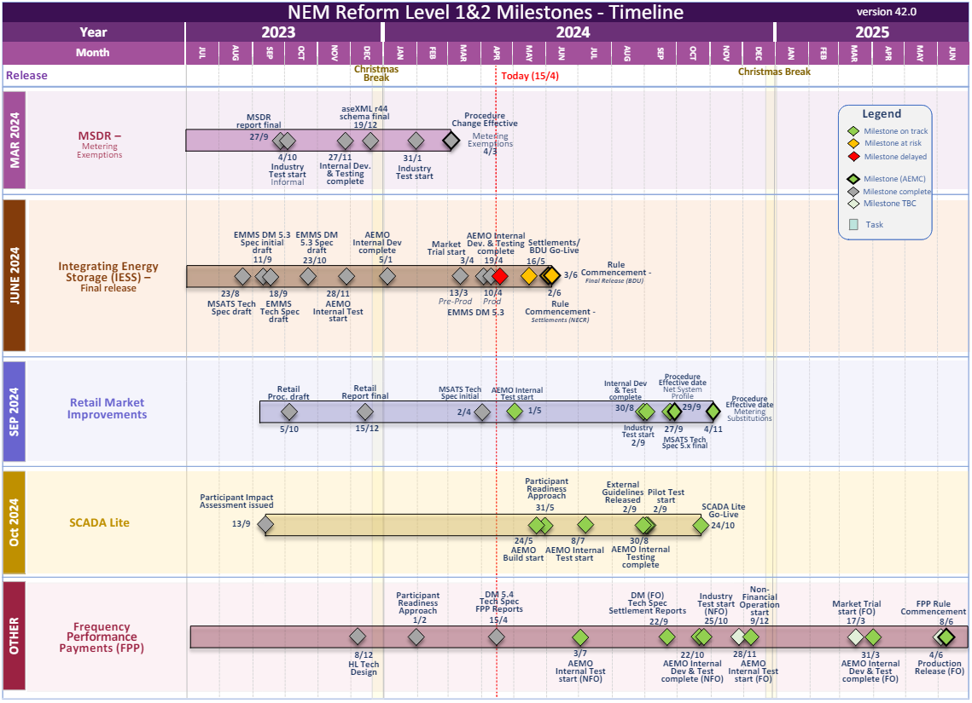
Australian Energy Market Operator
NEM Reform Implementation Roadmap
Level 1 & 2 Milestones

 | Current as of: | 15-Apr-24

