Submission Guideline
ECM data template submission guideline:
This guideline for the Energy Conversion Model (ECM) data for registering Semi-Scheduled Generating Units has been published under NER clause 2.1.3(b)(5).

How to use this document
Parameters that need to be supplied by the solar farm to AEMO are listed and marked as 'Mandatory'.
Sampling rates for dynamic parameters are specified. These denote the sampling intervals for data. Aggregation of this data will be done within MMS or the ECM.
Italicised terms are defined in 'Chapter 10: Glossary' of the National Electricity Rules (NER).

Who needs to submit an ECM
A generating unit intending to register as semi-scheduled must submit an ECM under the National Electricity Rules (NER) clause 2.2.7(c)(2).
Some Non-Scheduled generating units may be required to submit an ECM under NER clause 2.2.3(c).
NER clause 2.2.7(c2) states a person must comply with any terms and conditions imposed by AEMO as part of an approval under paragraph 2.2.7(c1).
To avoid delays, AEMO recommends that the first draft of the ECM be submitted to AEMO at least three months before applying for Registration. Note, official ECM approval can only be provided after applying for Registration otherwise only conditional ECM approval will be provided.

Document structure
The document is divided by technology types. To this end:
- the 'ECM PV' worksheet contains parameters for solar PV farms with and without tracking technology, fields relating to solar farm level
- the 'ECM PV Cluster' worksheet contains fields relating to cluster level operation for solar PV farms. Additional Cluster tabs should be created if more than one cluster exists for the solar farm.
- the 'ECM CPV' worksheet contains parameters for concentrating solar PV technologies, fields relating to solar farm level
- the 'ECM PV Cluster' worksheet contains fields relating to cluster level operation for concentrating solar PV farms. Additional Cluster tabs should be created if more than one cluster exists for the solar farm.
- the 'ECM CST' worksheet contains parameters for concentrating solar thermal technologies, fields relating to solar farm level
- the 'ECM PV Cluster' worksheet contains fields relating to cluster level operation for concentrating solar thermal farms. Additional Cluster tabs should be created if more than one cluster exists for the solar farm.

Facility hierarchy
There is an assumed hierarchy of sub-components that constitute a solar farm. These are illustrated in the diagram below

In the event that multiple sub-components are available, parameters applicable to these sub-components will need to be provided for each sub-component.
E.g. There are multiple clusters in a facility. Parameters that are applicable to every cluster in the 'ECM PV Cluster' tab will need to be provided
Note that one ECM is required to be submitted for every dispatchable unit (DUID) within a facility.
Modules/concentrators
Inverter
Facility
An inverter is fed by multiple modules or concentrators
A cluster is potentially comprised of multiple inverters
A facility is potentially comprised of multiple dispatchable units
Cluster
Dispatchable Unit
A dispatchable unit is potentially comprised of multiple clusters

Additional Information
In the interest of maintaining accuracy of the solar generation forecasts, any material changes to the ECM data must be re-submitted to AEMO and at any other time on AEMO request.

Where relevant, the data entered into the ECM data template needs to be consistent with (or derived from) information and/or data provided in the: - Generator registration application documentation - Generator Performance Standard (GPS) - Power System Design Data Sheets and Generating System Setting Data Sheets or as otherwise agreed with AEMO.

Cluster Definition Guideline
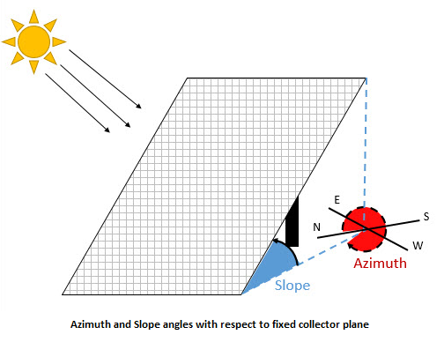
Terms and definitions
Term | Definition
Cluster (PV technology) | A cluster is defined as a subset of the Facility with: - the same inverter type (manufacturer, model and rating) - the same module material (PolySi or CdTd or ...) - the same total module DC power connected to each inverter. Tolerance: +/- 2.5% from average. - the same fixed slope and azimuth angles of modules, if fixed - the same tracking algorithm and ranges, if tracking - geographically close location of all modules (within an area up to 5km x 5km)
Cluster (CPV technology) | A cluster is defined as a subset of the Facility with: - the same module type (manufacturer, model and material) - the same inverter type (manufacturer, model and rating) - the same number of modules connected to each inverter - the same tracking algorithm and ranges - the same concentrator attributes - geographically close location of all modules (within an area up to 5km x 5km)
Cluster (CST technology) | A cluster is defined as a subset of the facility with: - the same actual turbine(s) - the same tracking algorithm and ranges - the same concentrator attributes - geographically close location of all modules (within an area up to 5km x 5km)
Dispatchable Unit | The solar farm component enabled for dispatch
Module | For PV farms, is the individual solar panel
Slope angle | The slope angle between the collector plane and the horizontal surface which varies between 0° for a horizontal plane and 90° for a vertical plane.
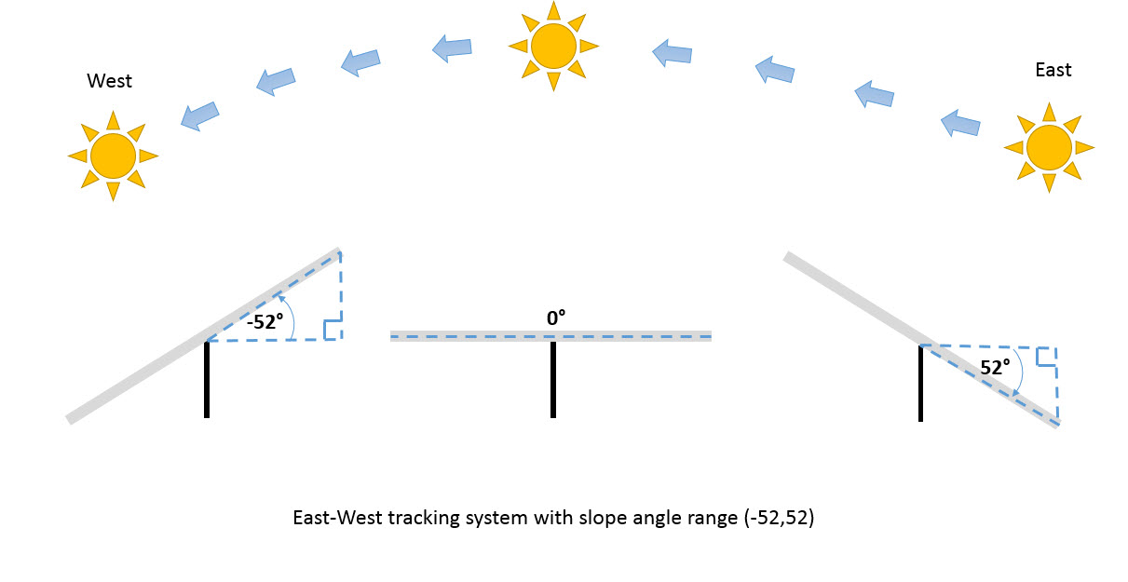
Azimuth angle | The surface azimuth angle ° as the deviation of the normal vector of the plane from the local meridian. Degrees counted clockwise from N where its value is 0° (thus for E it is 90°, for S it is 180° etc.)
Tracking slope angle | The slope angle between the collector plane and the horizontal surface which varies between 0° for a horizontal plane and -90°/90° for a vertical plane. East-West tracking: Morning eastwards angles positive, afternoon westwards angles negative. Azimuth angle to be specified as 90° for East for farms with East-West tracking (or if not exactly East-West accordingly near 90°).

Cluster definition examples
Example 1 | Solar PV without tracking, one module type and one inverter type for the entire facility, same number of modules connected to each inverter
 | In this case, the cluster definition is straightforward. There would only need to be one cluster with all the inverters contained in that cluster.

Example 2 | Solar PV with three module types, all with same PV material, and one inverter type for the entire facility, all modules with same tracking angle range and algorithms
 | The DC power of modules connected to each inverter in a cluster must be the same with +/- 2.5% tolerance compared to the average. All parameters related to modules must be specified for each module type. E.g. One inverter having both 1,000 x 102 W poly-Si and 2,000 x 97 W poly-Si panels connected would result in 296 kW DC per inverter, and then another inverter having 3,000 x 97 W poly-Si panels would result in 291 kW DC per inverter; this arrangement could still be in one cluster, as the average of all inverters is 293.5 kW and the deviation from the average is approx. +0.84% and -0.86%; both <2.5%. However, having one inverter with both 1000 x 102 W poly-Si and 2000 x 97 W poly-Si panels connected would result in 296 kW DC per inverter, and then another inverter having 2500 x 97 W poly-Si panels connected would result in 242.5 kW DC per inverter; this arrangement requires more than one cluster as the average of all inverters is 269.25 kW; the individual kW DC per inverter deviates more than 2.5% from the average.

Example 3 | Solar PV without tracking, one module type and two inverter types for the entire facility
 | Two clusters would be specified. The first cluster would relate to the first inverter type, the second cluster would relate to the second inverter type.

ECM PV
Energy Conversion Model for non-concentrating PV farms |  |  |  |  |  |  |  | Please submit completed ECM to op.forecasting@aemo.com.au
Data Parameter | Data type | Valid range | Mandatory | Interval | Value | Units | Comments | Description
Farm Level | Parameters that apply to the solar farm. |  |  |  | Specify one distinct value per cell. If variants or a range exists, specify the most relevant value.
Solar farm identification
Power Station name | Descriptive string | n/a | Yes | n/a |  | n/a |  | Name of the solar farm. To be same as specified in the 'Application for Registration as a Generator in the NEM' document.
Region | Descriptive string | n/a | Yes | n/a |  | n/a |  | Name of NEM region of the solar farm. To be same as specified in the 'Application for Registration as a Generator in the NEM' document.
Solar farm nominal data
Nameplate Rating | Scalar decimal number | >0 | Yes | n/a |  | MW |  | The total installed capacity of the Solar Farm (MW) as outlined in the Generator Performance Standard (GPS). This equals the sum of the AC power rating of all inverters. This Item must match the nameplate rating of the dispatchable unit stated in the "Application for Registration as a Generator in the NEM" document.
Maximum Capacity | Scalar integer number | >0 | Yes | n/a |  | MW |  | Maximum generation to which the semi-scheduled generating unit may be dispatched as outlined in the GPS, rounded down to the nearest whole MW. This definition can be found in the "Application for Registration as a Generator in the NEM" document. The Maximum Capacity value must reference the same measurement point as the SCADA Solar Farm Active Power signal.
Solar farm location and terrain data
Latitude | Scalar decimal number | (-90,90) | Yes | n/a |  | Decimal degrees |  | Defined at the centre of the collector area
Longitude | Scalar decimal number | (-180,180) | Yes | n/a |  | Decimal degrees |  | Defined at the centre of the collector area
Altitude | Scalar decimal number | (-15,2228) | Yes | n/a |  | metres ASL |  | Defined at the centre of the collector area
Site map | PDF / high resolution image | n/a | Yes | n/a |  | pdf file |  | Terrain map file with positions of receivers, strings, measuring devices marked. Please submit as separate pdf.
Solar farm other
Number of clusters | Scalar positive integer | >0 | Yes | n/a |  | n/a |  | Number of clusters of the facility, for cross-checking
List of measurement devices (Device ID) | Descriptive string, e.g. a device type and model number e.g. "TSP-700 Pyranometer" | n/a | Yes | n/a |  | n/a |  | Provide list of measurement devices.
NSP MW Control Schemes in operation | String | n/a | n/a | Yes |  | n/a |  | Provide details of NSP MW Control Schemes used to down regulate the solar farm at solar farm and/or cluster level.
Any other restrictions | String | n/a | n/a | Yes |  | n/a |  | Provide details of any other limitations imposed on the Solar Farm. This should be consistent with information provided in Power System Design Data Sheets section 6.1.2 (tab S-6), and Data Sheets section 7.1.2 (tab S-7).
Power vs inclined irradiance conversion curve | Complete power conversion curve table | n/a | No | n/a | See 'Power Conversion Curve Table' tab | n/a |  | Provide a solar power conversion curve for this solar farm using the power conversion curve table attached. This is a calculated estimation of the farm output at given inclined irradiance levels. If not provided, AEMO will assign a default power conversion curve using information provided in this ECM. In conjuction with SCADA Inclined Irradiance readings, the solar power conversion curve is used to calculate the dispatch UIGF during constrained solar farm operation.
A cluster is defined as a subset of the Facility with:
- the same inverter type (manufacturer, model and rating)
- the same combination and number of modules connected to each inverter
- the same fixed slope and azimuth angles of modules, if fixed
- the same tracking algorithm and ranges, if tracking
- geographically close location of all modules
Solar farm SCADA to AEMO: |  | Valid range must be reflected in the corresponding SCADA signal list. |  |  | Specify if the non-mandatory signal will be provided. |  |  | Instantaneous measurements are required, unless otherwise agreed by AEMO. Instantaneous means values updated at least every 4-10 seconds, with 4 seconds or faster preferred. If only averages are available, maximum 15-second average update is required
Data Parameter | Data type | Valid range | Mandatory | Interval | Provision - Yes/No? | Units | Comments | Description
Solar Farm Active Power | Scalar decimal number | (<0, >=0) | Yes | 4-10 secs | Yes | MW |  | Total solar farm active power. The SCADA Solar Farm Active Power measurement must reference the agreed point of dispatch.
Control System Set-Point | Scalar non-negative decimal number | (0, 2.5 x Nameplate Rating) | Yes | 4-10 secs | Yes | MW |  | MW Set-Point applied in the solar farm's control system to limit (down regulate) its output. At other times when no limit applies, the set-point to be set to above the solar farm's Nameplate Rating, but below 250% of it. SCADA MW Set-Point must reference the same measurement point as the SCADA Solar Farm Active Power signal.
Local Limit | Scalar non-negative decimal number | (0, Max Capacity) | Yes | 4-10 secs | Yes | MW |  | In MW, the SCADA Local Limit for a solar farm is the lower of its plant availability and all technical limits on the capacity of its connection assets to export energy. The SCADA Local Limit is used to cap the UIGF for the solar farm in the dispatch timeframe. The SCADA Local Limit excludes limits managed by AEMO through the central dispatch process (e.g. via constraints).Transmission network and distribution network limits already communicated to and managed by AEMO through the central dispatch process must be excluded from the SCADA Local Limit (to ensure AEMO’s compliance with clause 3.7B(c)(6) of the Rules). Limits already communicated in the SCADA Cluster Inverters Available signal may be excluded from the SCADA Local Limit. Manually-applied transient limits not intended to apply at the end of the next dispatch interval may be excluded from the SCADA Local Limit, unless otherwise agreed with AEMO. The SCADA Local Limit should not exceed the Maximum Capacity of the solar farm. SCADA Local Limit must reference the same measurement point as the SCADA Solar Farm Active Power signal.
Possible Power | Scalar non-negative decimal number | (0, Max Capacity) | No | 4-10 secs |  | MW |  | SCADA Possible Power is the Generator’s estimate in MW of current unconstrained intermittent generation, subject only to technical factors affecting operation of its generation and connection assets. SCADA Possible Power is used to assess the performance of unconstrained intermittent generation forecasts. SCADA Possible Power must be calculated assuming limits managed by AEMO through the central dispatch process do not apply. SCADA Possible Power must reflect any Local Limits at the solar farm, unless agreed with AEMO. The SCADA Possible Power must not exceed the Maximum Capacity of the solar farm. SCADA Possible Power must reference the same measurement point as the SCADA Solar Farm Active Power signal.
Wind Speed | Scalar decimal number | >=0 | Yes | 4-10 secs | Yes | m/s |  | To be representative of the solar farm (e.g. single measurement reading or average of measurement device readings).
Wind Direction | Scalar decimal number (bearing) | (0,360) | Yes | 4-10 secs | Yes | º |  | To be representative of the solar farm (e.g. single measurement reading or average of measurement device readings). This requires proper directional averaging (x-y decomposition). Example: https://en.wikipedia.org/wiki/Mean_of_circular_quantities https://www.itron.com/blog/forecasting/computing-a-weighted-average-wind-speed-and-wind-direction-across-multiple-weather-stations
Ambient Temperature | Scalar decimal number | (-50,100) | Yes | 4-10 secs | Yes | ºC |  | To be representative of the solar farm (e.g. single measurement reading or average of measurement device readings).
Relative Humidity | Scalar non-negative decimal number | (0,100) | Yes | 4-10 secs | Yes | % |  | To be representative of the solar farm (e.g. single measurement reading or average of measurement device readings).
Ends

Spectral Response example
Spectral response (Optional) | Values outside the provided range are assumed to be zero
Module manufacturer | example
Module type reference | example module xyz-200

300
320
340
360
380
400
420
440
460
480
500
520
540
560
580
600
620
640
660
680
700
720
740
760
780
800
820
840
860
880
900
920
940
960
980
1000
1020
1040
1060
1080
1100
1120
1140
1160
1180
1200
1220
1240
1260
1280
...
Example
Wavelength (nm) | Response | Example
300 |  | 0.00
320 |  | 0.00
340 |  | 0.00
360 |  | 0.00
380 |  | 0.02
400 |  | 0.10
420 |  | 0.18
440 |  | 0.25
460 |  | 0.32
480 |  | 0.38
500 |  | 0.44
520 |  | 0.50
540 |  | 0.55
560 |  | 0.59
580 |  | 0.63
600 |  | 0.67
620 |  | 0.71
640 |  | 0.74
660 |  | 0.77
680 |  | 0.79
700 |  | 0.81
720 |  | 0.83
740 |  | 0.85
760 |  | 0.87
780 |  | 0.89
800 |  | 0.90
820 |  | 0.91
840 |  | 0.92
860 |  | 0.93
880 |  | 0.94
900 |  | 0.95
920 |  | 0.95
940 |  | 0.95
960 |  | 0.95
980 |  | 0.94
1000 |  | 0.92
1020 |  | 0.88
1040 |  | 0.80
1060 |  | 0.60
1080 |  | 0.40
1100 |  | 0.26
1120 |  | 0.20
1140 |  | 0.15
1160 |  | 0.10
1180 |  | 0.05
1200 |  | 0.03
1220 |  | 0.00
1240 |  | 0.00
1260 |  | 0.00
1280 |  | 0.00
1300 |  | 0.00
1320 |  | 0.00

Inverter Response example
Inverter efficiency response |  | Values outside the provided range are assumed to be zero
Inverter manufacturer | example
Inverter type reference | example inverter SB-3500LAX

Power (kW) | Response | Example
10 |  | 0.300
20 |  | 0.500
30 |  | 0.800
10
20
30
40
50
60
70
80
90
100
110
120
130
140
150
160
170
180
190
200
210
220
230
240
250
260
270
280
290
300
310
320
330
340
350
360
370
380
390
400
410
420
430
440
450
460
470
480
490
500
...
Example
40 |  | 0.950
50 |  | 0.979
60 |  | 0.980
70 |  | 0.980
80 |  | 0.980
90 |  | 0.981
100 |  | 0.981
110 |  | 0.982
120 |  | 0.982
130 |  | 0.983
140 |  | 0.983
150 |  | 0.984
160 |  | 0.984
170 |  | 0.985
180 |  | 0.985
190 |  | 0.986
200 |  | 0.986
210 |  | 0.986
220 |  | 0.985
230 |  | 0.985
240 |  | 0.984
250 |  | 0.984
260 |  | 0.983
270 |  | 0.983
280 |  | 0.982
290 |  | 0.982
300 |  | 0.981
310 |  | 0.981
320 |  | 0.980
330 |  | 0.980
340 |  | 0.979
350 |  | 0.978
360 |  | 0.977
370 |  | 0.976
380 |  | 0.975
390 |  | 0.974
400 |  | 0.973
410 |  | 0.972
420 |  | 0.971
430 |  | 0.970
440 |  | 0.969
450 |  | 0.968
460 |  | 0.967
470 |  | 0.966
480 |  | 0.965
490 |  | 0.964
500 |  | 0.963
510 |  | 0.962
520 |  | 0.961
530 |  | 0.959
540 |  | 0.957
550 |  | 0.955
560 |  | 0.953
570 |  | 0.951
580 |  | 0.949
590 |  | 0.947
600 |  | 0.945
610 |  | 0.943
620 |  | 0.941
630 |  | 0.939
640 |  | 0.937
650 |  | 0.935
660 |  | 0.933

Temperature Response example
Module Temperature Response (Optional) |  | Values outside the provided range are assumed to be zero
Module manufacturer | example
Module type reference | example module xyz-200

 | DC power at STC (%)
20
30
40
50
60
70
80
Example
Temperature (◦C) | DC power at STC (%) | Example
20 |  | 1.02
30 |  | 0.98
40 |  | 0.94
50 |  | 0.90
60 |  | 0.86
70 |  | 0.82
80 |  | 0.78

