Tasmania Summary
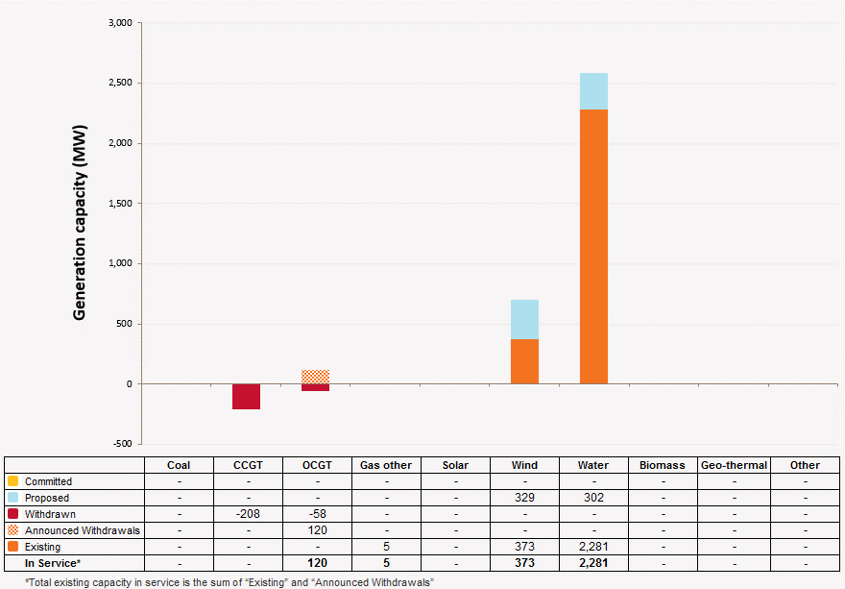
Disclaimer
This document is subject to an important disclaimer that limits or excludes AEMO's liability.
Please read the full disclaimer on the 'Disclaimer' tab of this workbook.

Tasmania Summary

Committed project developments
AEMO has not been advised of any committed projects in Tasmania within the 10-year planning outlook.

Plant retirements
AEMO has not been advised of any planned plant retirements in Tasmania within the 10-year planning outlook.

Changes since the 2014 ESOO (existing generation)
Tamar Valley CCGT: Hydro Tasmania have advised that Tamar Valley CCGT (208 MW) unit is currently in dry lay up. On 13 August 2015, the Tasmanian Government gave approval for Hydro Tasmania to decommission and sell the combined cycle gas turbine.
Tamar Valley Peaking: Hydro Tasmania have advised that Tamar Valley Peaking (58 MW) unit is currently withdrawn and is to return back to service in June 2016.
Bell Bay Three Power Station: Hydro Tasmania have advised that Bell Bay Three Power Stations available capacity will be 75 MW (-45 MW) for Summer 2015-16, 2016-17 and Winter 2016, 2017. Hydro Tasmania also advised the power station is to be withdrawn from service from 1 January 2018 and onwards.
Plant limitations
Bastyan Power Station: Hydro-Electric Corporation advises that Bastyan's available capacity will be (zero) 0 MW during summer 2020-21.
Catagunyah/Liapootah/Wayatinah Power Station: Hydro-Electric Corporation advises that Catagunyah/Liapootah/Wayatinah Power Stations will undergo the following outages:
· Liapootah Unit 1 will be unavailable during:
- summer 2016–17
· Liapootah Unit 2 will be unavailable during:
- summer 2017–18
· Liapootah Unit 3 will be unavailable during:
- summer 2018–19
· Wayatinah Unit 1 will be unavailable during:
- summer 2016–17
· Wayatinah Unit 2 will be unavailable during:
- summer 2017–18
· Wayatinah Unit 3 will be unavailable during:
- summer 2018–19
· Catagunya Unit 1 will be unavailable during:
- summer 2018–19
· Catagunya Unit 2 will be unavailable during:
- summer 2017–18
· Catagunya Unit 3 will be unavailable during:
- summer 2018–19
Devils Gate Power Station: Hydro-Electric Corporation advises that Devils Gate’s available capacity will be (zero) 0 MW during summer 2017-18 and winter 2018.
Gordon Power Station: Hydro-Electric Corporation advises that Gordon's available capacity will reduced to 354 MW (-42) MW during summer and winter due to lower storage levels. Also, the station will undergo the following outages:
· Gordon Unit 1 will be unavailable during:
- winter 2018
· Gordon Unit 2 will be unavailable during:
- winter 2019
· Gordon Unit 3 will be unavailable during:
- winter 2019
John Butters Station: Hydro-Electric Corporation advises that John Butters' available capacity will be (zero) 0 MW during summer 2024-25 and winter 2025.
Lake Echo Power Station: Hydro-Electric Corporation advises that Lake Echo's available capacity will be (zero) 0 MW during winter 2016 and 2019.
Lemonthyme/Wilmot Power Station: Hydro-Electric Corporation advises that Lemonthyme/Wilmot's available capacity will be 54 MW during summer 2018-19 and 32 MW during summer 2019-20.
Mackintosh Power Station: Hydro-Electric Corporation advises that Mackintosh's available capacity will be (zero) 0 MW during summer 2022-23.
Reece Power Station: Hydro-Electric Corporation advises that Reece's available capacity will be 116 MW during summer 2015-16 and 2023-24 due to an outage.
Tarraleah Power Station: Hydro-Electric Corporation advises that Tarraleah’s available capacity will be:
• 45 MW during summer 2015-16 due to outages of Units 1, 2 and 3.
Trevallyn Power Station: Hydro-Electric Corporation advises that Trevallyn’s available capacity will be:
• 81.9 MW during summer 2019–20 due to outages of Unit 1.
• 81.9 MW during summer 2020–21 due to outages of Unit 1.
Tungatinah Power Station: Hydro-Electric Corporation advises that Tungatinah’s available capacity will be:
• 104.4 MW during summer 2014-15 due to outages of Unit 4.
• 104.4 MW during summer 2016-17 due to outages of Unit 3.
• 104.4 MW during summer 2019–20 due to outages of Unit 3.
Tribute: Hydro-Electric Corporation advises that Tribute's available capacity will be (zero) 0 MW during summer 2019-20.

Tasmania existing and potential new developments by generation type (MW) data
Status / Type | Coal | CCGT | OCGT | Gas other | Solar | Wind | Water | Biomass | Geo-thermal | Other
Existing | - | 208 | 178 | 4.9 | - | 373 | 2,281 | - | - | -
Committed | - | - | - | - | - | - | - | - | - | -
Publicly announced | - | - | - | - | - | 329 | 302 | - | - | -
Withdrawn | - | 208 | 58 | - | - | - | - | - | - | -
Announced Withdrawals | - | - | 120 | - | - | - | - | - | - | -
Existing capacity includes Withdrawn and Announced Withdrawals

Tasmania existing and potential new developments by generation type (MW)

