Wind Bubbles
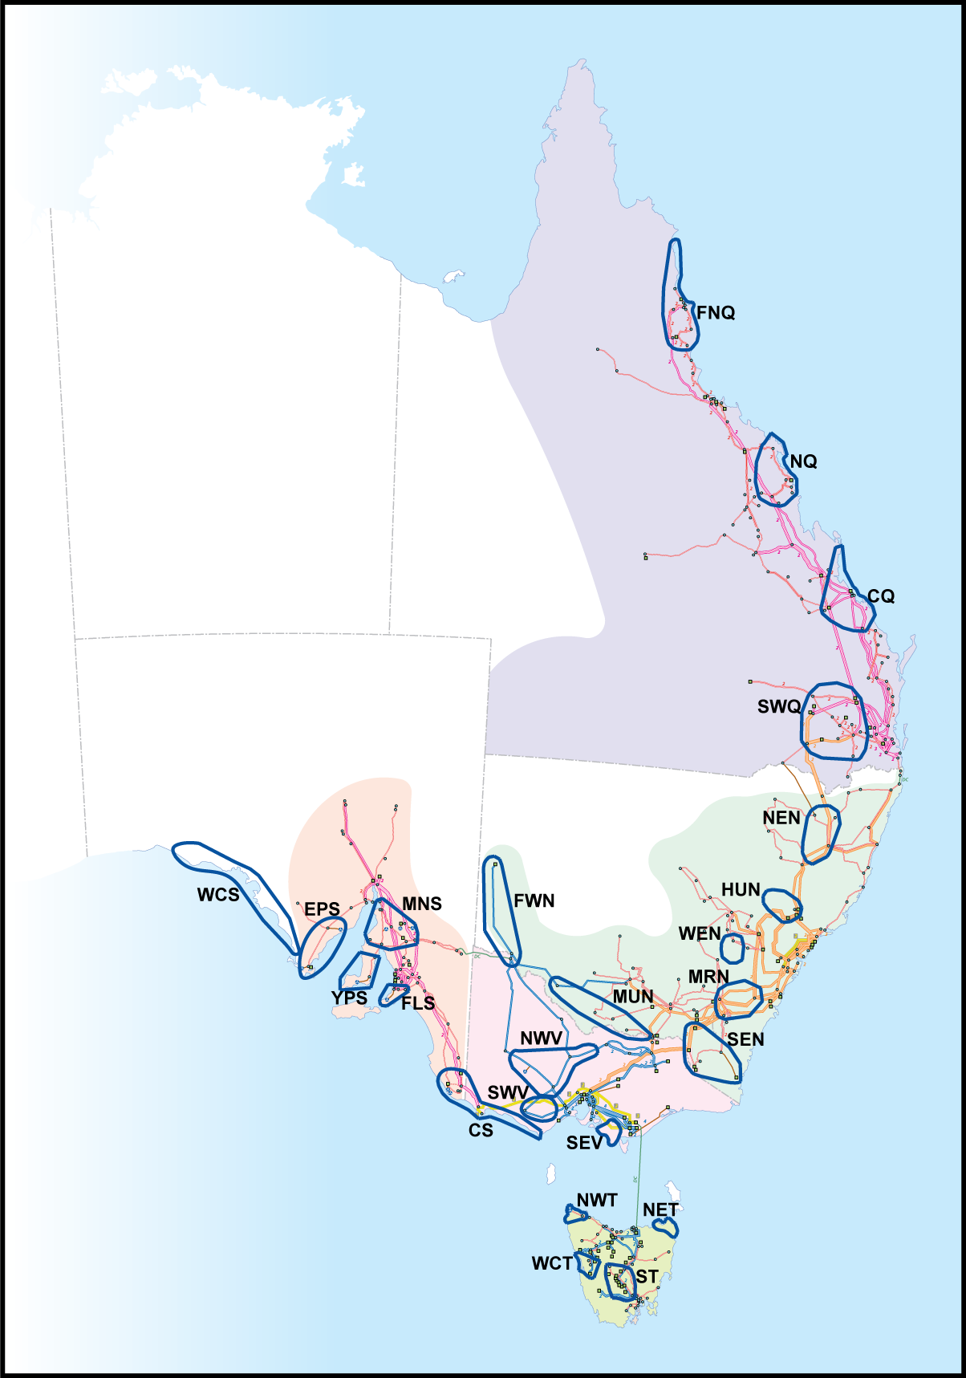
Wind Bubbles
Source: IRPC working group 2009
Region | Zone | Bubble Code | Description
QLD | NQ | FNQ | Far North QLD
 |  | NQ | North QLD
 | CQ | CQ | Central QLD
 | SWQ | SWQ | South West QLD
NSW | SWNSW | FWN | Far west NSW
 |  | MUN | Murray NSW
 | CAN | SEN | South east NSW
 |  | MRN | Marulan NSW
 | NCEN | WEN | West NSW
 |  | HUN | Hunter NSW
 | NNS | NEN | New England NSW
VIC | LV | SEV | South East VIC
 | CVIC | NWV | North West VIC
 |  | SWV | South West VIC
 | MEL | CS | Central South
SA | NSA | WCS | West Coast SA
 |  | EPS | Eyre Peninsula SA
 |  | YPS | Yorke Peninsula SA
 |  | MNS | Mid North SA
 | ADE | FLS | Fleurieu Peninsula SA
 | SESA | CS | Central South
TAS | TAS | NWT | North West TAS
 |  | NET | North East TAS
 |  | WCT | West Coast TAS
 |  | ST | South TAS

