Queensland Summary
Disclaimer
This document is subject to an important disclaimer that limits or excludes AEMO's liability.
Please read the full disclaimer at
http://www.aemo.com.au/Electricity/National-Electricity-Market-NEM/Planning-and-forecasting/Generation-information

Data presented is current as at 16 March 2018

Queensland Summary

Changes since last update
Oakey 2 Solar Farm: Oakey 2 Solar Farm (55 MW) is now reported as a committed project since Canadian Solar Pty Ltd advises that it has commenced construction.
Sun Metals Solar Farm: Sun Metals Solar Farm (124 MW) is now reported as a committed project since it has commenced construction.

Generation withdrawals
Withdrawn
No generators withdrawn.

Announced withdrawals (i.e. Mothballed, Seasonal Shut down etc.)
Daandine Power Station: Energy infrastructure Investments Pty Ltd. advises that Daandine Power Station (30 MW) will be retired in June 2022.
Mackay GT Power Station: Stanwell Corporation advises that Mackay GT (34 MW) will be retired at the end of financial year 2020-21.

Committed projects
Coal, CCGT, OCGT, Gas other, Geo-thermal, Other: None to report.
Biomass: Tableland Mill (24MW)
Solar: Clare Solar Farm (150MW), Collinsville PV (42.5MW), Darling Downs Solar Farm (110MW), Daydream Solar Farm (167.5MW), Dunblane Solar Farm (7.2MW), Hamilton Solar Farm (57.5MW), Hayman Solar Farm (57.5MW), Kennedy Energy Park (15MW), Kidston Solar Project Phase One 50MW (50MW), Lakeland Solar and Storage Project (12.5MW), Lilyvale Solar Farm (100MW), Longreach Solar Farm (15MW), Oakey 1 Solar Farm (25MW), Ross River Solar Farm (116MW), Rugby Run Solar Farm (65MW), Sun Metals Solar Farm (124MW), Sunshine Coast Solar Farm (15MW), Whitsunday (57.5MW), Oakey 2 Solar Farm (55MW)
Storage: Kennedy Energy Park (2MW)
Water: Lake Somerset (4.3MW)
Wind: Coopers Gap Wind Farm (453MW), Kennedy Energy Park (43.2MW), Mt Emerald Wind Farm (180.5MW)

Proposed projects
Please refer to information presented in the worksheet titled 'New Developments'.

Plant limitations
Callide C: CS Energy have advised that Callide C capacity has been reduced from 500 MW to 420 MW.

Queensland existing and potential new developments by generation type (MW)
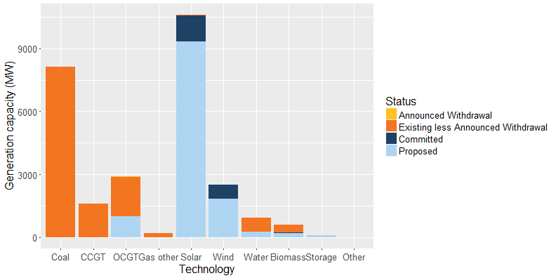

Status | Coal | CCGT | OCGT | Gas other | Solar* | Wind | Water | Biomass | Storage | Other | Total
Existing | 8,126 | 1,598 | 1,900 | 208 | 45 | 12 | 664 | 369 | - | 1 | 12,923
Announced Withdrawal | - | - | 34 | 30 | - | - | - | - | - | - | 64
Existing less Announced Withdrawal | 8,126 | 1,598 | 1,866 | 178 | 45 | 12 | 664 | 369 | - | 1 | 12,859
Committed | - | - | - | - | 1,248 | 677 | 4 | 24 | 2 | - | 1,955
Proposed | - | - | 1,000 | - | 9,309 | 1,816 | 254 | 190 | 80 | - | 12,650
Withdrawn | - | - | - | - | - | - | - | - | - | - | -
Note: Existing includes Announced Withdrawal
* Excludes rooftop PV installations.

