Victoria Summary
Disclaimer
This document is subject to an important disclaimer that limits or excludes AEMO's liability.
Please read the full disclaimer at
http://www.aemo.com.au/Electricity/National-Electricity-Market-NEM/Planning-and-forecasting/Generation-information

Data presented is current as at 22 December 2017

Victoria Summary

Changes since last update
Bannerton Solar Park: Foresight Solar Australia Pty Ltd advises that Bannerton Solar Park (88 MW) is now a committed project.
Gannawarra Solar Farm: Gannawarra Solar Farm Pty Ltd advises that Gannawarra Solar Farm has increased from 50 MW to 55 MW.
Crowlands Wind Farm: Energy Pacific Vic Pty Ltd advises that Crowlands Wind Farm (80 MW) is now a committed project
Kiata Wind Farm: Kiata Wind Farm Pty Ltd advises that Kiata Wind Farm (31.05 MW) is now a committed project
Mt Gellibrand Wind Farm: Acciona Energy advises that Mt Gellibrand (132 MW) is a committed project.
Loy Yang B (upgrade) : Loy Yang B upgrage (78 MW) is now reported as committed since Alinta advises that it has commenced construction
Swan Hill Solar Farm : Swan Hill Solar Farm (15 MW) is now reported as committed since Solar PowerStations Victoria Pty Ltd advises that it has commenced construction
Yatpool Solar Farm: Yatpool Solar Farm (81 MW) is now reported as committed since Overland Sun Farming Pty Ltd advises that it has commenced construction

Generation withdrawals
Withdrawn
Hazelwood: Hazelwood Power advises that Hazelwood Power Station (1600 MW) has closed operations at the end of March 2017 and is undergoing decommissioning.

Announced withdrawals (i.e. Mothballed, Seasonal Shut down etc.)
AEMO has not been advised of any announced withdrawals for this region.

Committed projects
CCGT, OCGT, Gas other, Water, Biomass, Geo-thermal, Other : None to report.
Coal: Loy Yang B (upgrade) (78 MW)
Solar: Bannerton Solar Park (88 MW), Gannawarra Solar Farm (55 MW), Swan Hill Solar Farm (15 MW), Yatpool Solar Farm (81 MW)
Wind: Kiata Wind Farm (31.05 MW), Mt Gellibrand (132 MW), Yaloak South (28.7 MW), Crowlands Wind Farm (80 MW)

Proposed projects
Please refer to information presented in the worksheet titled 'New Developments'.

Plant limitations
AEMO has not been advised of any plant limitations for this region.

Victoria existing and potential new developments by generation type (MW)
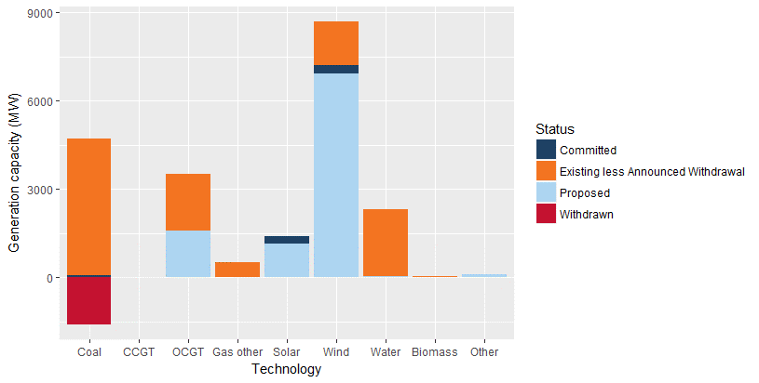

Status | Coal | CCGT | OCGT | Gas other | Solar* | Wind | Water | Biomass | Other | Total
Existing | 4630.0 | 21.0 | 1916.8 | 523.4 | 5.6 | 1496.3 | 2288.2 | 56.8 | 0.0 | 10938.2
Announced Withdrawal | 0.0 | 0.0 | 0.0 | 0.0 | 0.0 | 0.0 | 0.0 | 0.0 | 0.0 | 0.0
Existing less Announced Withdrawal | 4630.0 | 21.0 | 1916.8 | 523.4 | 5.6 | 1496.3 | 2288.2 | 56.8 | 0.0 | 10938.2
Committed | 78.4 | 0.0 | 0.0 | 0.0 | 239.0 | 271.8 | 0.0 | 0.0 | 0.0 | 589.2
Proposed | 0.0 | 0.0 | 1600.0 | 0.0 | 1148.9 | 6926.0 | 34.0 | 0.0 | 105.0 | 9813.9
Withdrawn | -1600.0 | 0.0 | 0.0 | 0.0 | 0.0 | 0.0 | 0.0 | 0.0 | 0.0 | -1600.0
Note: Existing includes Announced Withdrawal
* Excludes rooftop PV installations

