Queensland Summary
Disclaimer
This document is subject to an important disclaimer that limits or excludes AEMO's liability.
Please read the full disclaimer at
http://www.aemo.com.au/Electricity/National-Electricity-Market-NEM/Planning-and-forecasting/Generation-information

Data presented is current as at 22 December 2017

Queensland Summary

Changes since last update
Callide C: CS Energy have advised that Callide C capacity has been reduced from 500 MW to 420 MW.
Clare Solar Farm: Clare Asset Co Pty Ltd ATF Clare Asset Trust advises that Clare Solar Farm (150MW) is a committed project.
Collinsville Solar Power Station: Ratch Australia Corporation advises that Collinsville Solar Power Station (42.5 MW) is a committed project.
Coopers Gap Wind Farm: PARF Company Pty Ltd, as a trustee for the Coopers Gap Project Trust advises that Coopers Gap Wind Farm (453 MW) is a committed project.
Darling Downs Solar Farm: APA advises that Darling Downs Solar Farm (110MW) is a committed project.
Daydream Solar Farm: Hayman Solar Farm Pty Ltd advises that Daydream Solar Farm (167.5MW) is a committed project.
Dunblane Solar Farm: YellowDot Energy Pty Ltd advises that Dunblane Solar Farm (7.2MW) is a committed project.
Hamilton Solar Farm: Hamilton Solar Farm Pty Ltd advises that Hamilton Solar Farm (57.5MW) is a committed project.
Hayman Solar Farm: Hayman Solar Farm Pty Ltd advises that Hayman Solar Farm (57.5 MW) is a committed project.
Kennedy Energy Park: Kennedy Energy Park Pty advises that Kennedy Energy Park (Solar (15 MW), Wind (43.2 MW), Storage (2 MW)) is a committed project.
Kidston Solar Project: Genex Power Ltd advises that Kidston Solar Project (50 MW) is a committed project.
Lake Somerset: Seqwater advises that Lake Somerset (4.3MW) is a committed project.
Lakeland Solar and Storage Project: Lakeland Solar & Storage Pty Ltd advises that Lakeland Solar and Storage Project (12.5MW) is a committed project.
Lilyvale Solar Farm: Lilyvale Solar Farm (100 MW) is now reported as committed since FRV Services Australia Pty Ltd advises that it has commenced construction.
Longreach Solar Farm: Longreach HoldCo Pty Ltd advises that Longreach Solar Farm (15 MW) is a committed project.
Mt Emerald Wind Farm: Ratch Australia Corporation advises that Mt Emerald Wind Farm (180.5MW) is a committed project.
Oakey 1 Solar Farm: Oakey 1 AssetCo Pty Ltd advises that Oakey 1 Solar Farm (25MW) is a committed project.
Ross River Solar Farm: Ross River Solar Farm (116MW) is now reported as a committed project since Ross River Operations Pty Ltd advises that it has commenced construction.
Rugby Run Solar Farm: Rugby Run Solar Farm (65MW) is now reported as a committed project since Adani Rugby Run Pty Ltd advises that it has commenced construction.
Sun Metals Solar Farm: Sun Metals Solar Farm (125MW) is now reported as a committed project since it has commenced construction.
Sunshine Coast Solar Farm: Sunshine Coast Regional Council advises that Sunshine Coast Solar Farm (15 MW) is a committed project.
Swanbank E GT: Stanwell Corporation Limited advises that Swanbank E GT (385 MW) has returned to service.
Tableland Mill: MSF Sugar advises Tableland Mill (24 MW) is a committed project.
Whitsunday: Whitsunday Solar Farm Pty Ltd advises that Whitsunday (57.5MW) is a committed project.

Generation withdrawals
Withdrawn
No generators withdrawn.

Announced withdrawals (i.e. Mothballed, Seasonal Shut down etc.)
Daandine Power Station: Energy infrastructure Investments Pty Ltd. advises that Daandine Power Station (30 MW) will be retired in June 2022.
Mackay GT Power Station: Stanwell Corporation advises that Mackay GT (34 MW) will be retired at the end of financial year 2020-21.

Committed projects
Coal, CCGT, OCGT, Gas other, Geo-thermal, Other: None to report.
Biomass: Tableland Mill (24MW)
Solar: Clare Solar Farm (150MW), Collinsville PV (42.5MW), Darling Downs Solar Farm (110MW), Daydream Solar Farm (167.5MW), Dunblane Solar Farm (7.2MW), Hamilton Solar Farm (57.5MW), Hayman Solar Farm (57.5MW), Kennedy Energy Park (15MW), Kidston Solar Project Phase One 50MW (50MW), Lakeland Solar and Storage Project (12.5MW), Lilyvale Solar Farm (100MW), Longreach Solar Farm (15MW), Oakey 1 Solar Farm (25MW), Ross River Solar Farm (116MW), Rugby Run Solar Farm (65MW), Sun Metals Solar Farm (125MW), Sunshine Coast Solar Farm (15MW), Whitsunday (57.5MW)
Storage: Kennedy Energy Park (2MW)
Water: Lake Somerset (4.3MW)
Wind: Coopers Gap Wind Farm (453MW), Kennedy Energy Park (43.2MW), Mt Emerald Wind Farm (180.5MW)

Proposed projects
Please refer to information presented in the worksheet titled 'New Developments'.

Plant limitations
Callide C: CS Energy have advised that Callide C capacity has been reduced from 500 MW to 420 MW.

Queensland existing and potential new developments by generation type (MW)
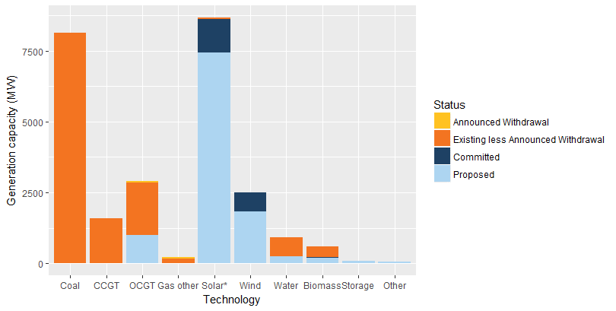

Status | Coal | CCGT | OCGT | Gas other | Solar* | Wind | Water | Biomass | Storage | Other | Total
Existing | 8126.0 | 1597.5 | 1894.5 | 208.4 | 45.3 | 12.0 | 663.9 | 368.2 | 0.0 | 1.0 | 12916.8
Announced Withdrawal | 0.0 | 0.0 | 34.0 | 30.0 | 0.0 | 0.0 | 0.0 | 0.0 | 0.0 | 0.0 | 64.0
Existing less Announced Withdrawal | 8126.0 | 1597.5 | 1860.5 | 178.4 | 45.3 | 12.0 | 663.9 | 368.2 | 0.0 | 1.0 | 12852.8
Committed | 0.0 | 0.0 | 0.0 | 0.0 | 1188.2 | 676.7 | 4.3 | 24.0 | 2.0 | 0.0 | 1895.2
Proposed | 0.0 | 0.0 | 1000.0 | 0.0 | 7437.2 | 1816.4 | 250.0 | 189.6 | 80.0 | 70.0 | 9843.2
Withdrawn | 0.0 | 0.0 | 0.0 | 0.0 | 0.0 | 0.0 | 0.0 | 0.0 | 0.0 | 0.0 | 0.0
Note: Existing includes Announced Withdrawal
* Excludes rooftop PV installations.

